Left Bearing Retainer
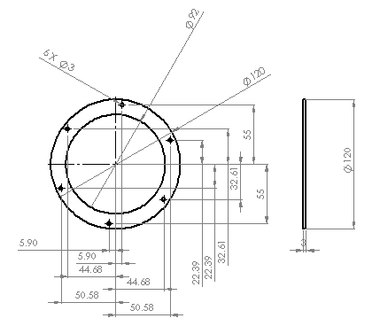
University | Hacettepe University |  |  |  |  |  |  |  | Car # | 106 |  | Part Cost | $1.79
System | Engine & Drivetrain |  | FileLink1 |  |  |  |  |  |  |  |  | Qty | 1
Assembly | Differential Assembly |  | FileLink2 |  |  |  |  |  | FileLink1
Part | Left Bearing Retainer |  | FileLink3 |  |  |  |  |  | FileLink2 |  |  | Extended Cost | $1.79
P/N Base | 2028 |  |  |  |  |  |  |  | FileLink3
Suffix | AA
Details

ItemOrder | Material | Use | UnitCost | Size1 | Unit1 | Size2 | Unit2 | Area Name | Area | Length | Density | Quantity | Sub Total
10 | Aluminum, Normal | Bearing Retainer | $4.2000 | 0.11664 | kg |  |  |  |  |  |  | 1.00 | $0.490
 |  |  |  |  |  |  |  |  |  |  |  | Sub Total | $0.490

ItemOrder | Process | Use | UnitCost | Unit | Quantity | Multiplier | Mult. Val. | Sub Total
10 | Machining Setup, Install and remove | Machine Setup | 1.3 | unit | 1 |  |  | $1.30
20 | Machining | Machining Retainer | 0.04 | cm^3 | 13.859 |  | 1 | $0.55
 |  |  |  |  |  |  | Sub Total | $1.30

ItemOrder | Fastener | Use | UnitCost | Size1 | Unit1 | Size2 | Unit2 | Quantity | Sub Total
 |  |  |  |  |  |  |  |  | $-
 |  |  |  |  |  |  |  | Sub Total | $-

ItemOrder | Tooling | Use | UnitCost | Unit | Quantity | PVF | FracIncld | Sub Total

 |  |  |  |  |  |  | Sub Total | $-

Right Bearing Retainer
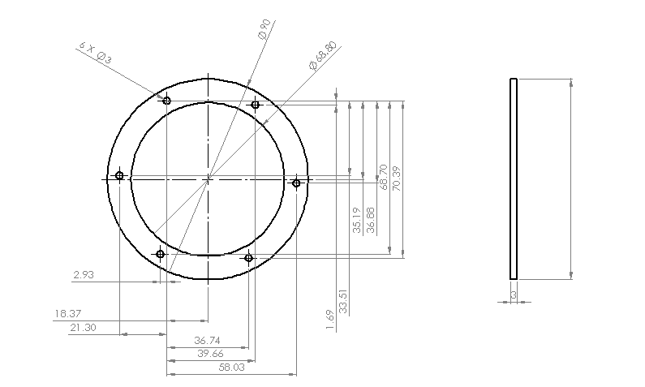
University | Hacettepe University |  |  |  |  |  |  |  | Car # | 106 |  | Part Cost | $1.89
System | Engine & Drivetrain |  | FileLink1 |  |  |  |  |  |  |  |  | Qty | 1
Assembly | Differential Assembly |  | FileLink2 |  |  |  |  |  | FileLink1
Part | Right Bearing Retainer |  | FileLink3 |  |  |  |  |  | FileLink2 |  |  | Extended Cost | $1.89
P/N Base | 2028 |  |  |  |  |  |  |  | FileLink3
Suffix | AA
Details

ItemOrder | Material | Use | UnitCost | Size1 | Unit1 | Size2 | Unit2 | Area Name | Area | Length | Density | Quantity | Sub Total
10 | Aluminum, Normal | Bearing Retainer | 4.2 | 0.06561 | kg |  |  |  |  |  |  | 1.00 | $0.276
 |  |  |  |  |  |  |  |  |  |  |  | Sub Total | $0.276
ItemOrder | Process | Use | UnitCost | Unit | Quantity | Multiplier | Mult. Val. | Sub Total
10 | Machining Setup, Install and remove | Machine Setup | 1.3 | unit | 1 |  |  | $1.30
20 | Machining | Machining Retainer | 0.04 | cm^3 | 7.8 |  | 1 | $0.31
 |  |  |  |  |  |  | Sub Total | $1.61

ItemOrder | Fastener | Use | UnitCost | Size1 | Unit1 | Size2 | Unit2 | Quantity | Sub Total
 |  |  |  |  |  |  |  |  | $-
 |  |  |  |  |  |  |  | Sub Total | $-

ItemOrder | Tooling | Use | UnitCost | Unit | Quantity | PVF | FracIncld | Sub Total

 |  |  |  |  |  |  | Sub Total | $-

Differential Housing Joint
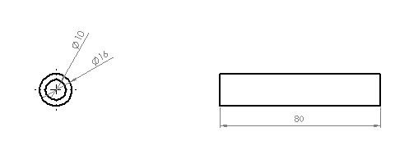
University | Hacettepe University |  |  |  |  |  |  |  | Car # | 106 |  | Part Cost | $1.98
System | Engine & Drivetrain |  | FileLink1 |  |  |  |  |  |  |  |  | Qty | 1
Assembly | Differential Assembly |  | FileLink2 |  |  |  |  |  | FileLink1
Part | Differential Housing Joint |  | FileLink3 |  |  |  |  |  | FileLink2 |  |  | Extended Cost | $1.98
P/N Base | 2028 |  |  |  |  |  |  |  | FileLink3
Suffix | AA
Details

ItemOrder | Material | Use | UnitCost | Size1 | Unit1 | Size2 | Unit2 | Area Name | Area | Length | Density | Quantity | Sub Total
10 | Steel, Mild |  | $2.2500 | 0.1286144 | kg |  |  |  |  |  |  | 1.00 | $0.289
 |  |  |  |  |  |  |  |  |  |  |  | Sub Total | $0.289

ItemOrder | Process | Use | UnitCost | Unit | Quantity | Multiplier | Mult. Val. | Sub Total
10 | Machining Setup, Install and remove |  | 1.3 | unit | 1 |  |  | $1.30
20 | Machining |  | 0.04 | cm^3 | 9.801 |  | 1 | $0.39
 |  |  |  |  |  |  | Sub Total | $1.69

ItemOrder | Fastener | Use | UnitCost | Size1 | Unit1 | Size2 | Unit2 | Quantity | Sub Total
 |  |  |  |  |  |  |  |  | $-
 |  |  |  |  |  |  |  | Sub Total | $-

ItemOrder | Tooling | Use | UnitCost | Unit | Quantity | PVF | FracIncld | Sub Total

 |  |  |  |  |  |  | Sub Total | $-

Chain Guard
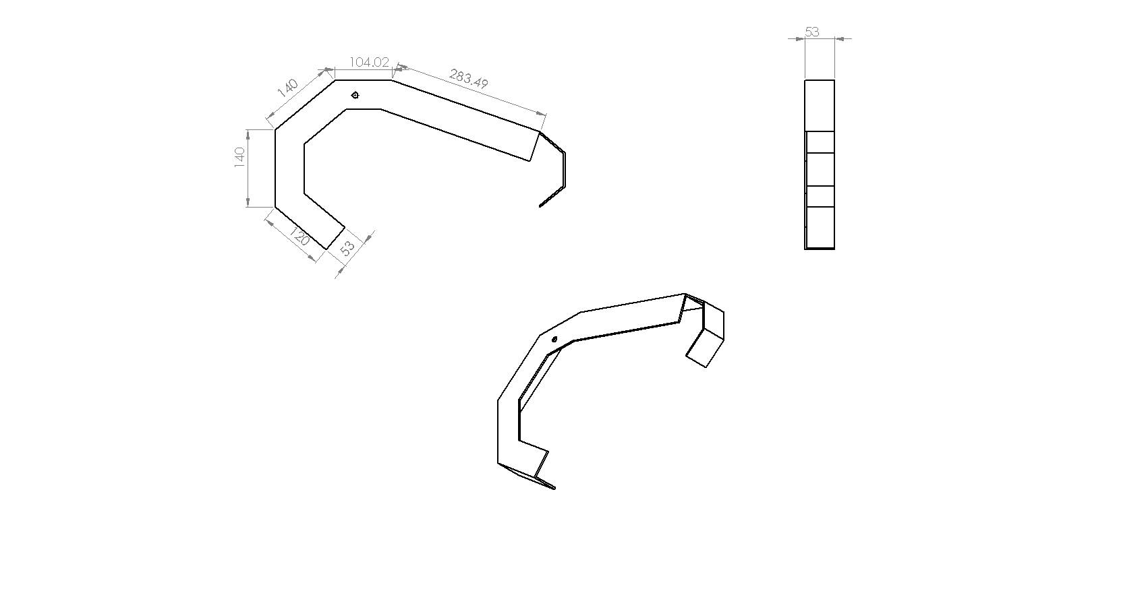
University | Hacettepe University |  |  |  |  |  |  |  | Car # | 106 |  | Part Cost | $14.36
System | Engine & Drivetrain |  | FileLink1 |  |  |  |  |  |  |  |  | Qty | 1
Assembly | Drivetrain Assembly |  | FileLink2 |  |  |  |  |  | FileLink1
Part | Chain Guard |  | FileLink3 |  |  |  |  |  | FileLink2 |  |  | Extended Cost | $14.36
P/N Base | 2028 |  |  |  |  |  |  |  | FileLink3
Suffix | AA
Details | Chain Guard

ItemOrder | Material | Use | UnitCost | Size1 | Unit1 | Size2 | Unit2 | Area Name | Area | Length | Density | Quantity | Sub Total
10 | Steel, Mild (per kg) | Guard Material | $2.25 | 0.537 | kg |  |  |  |  |  |  | 1.00 | $1.21
 |  |  |  |  |  |  |  |  |  |  |  | Sub Total | $1.208

ItemOrder | Process | Use | UnitCost | Unit | Quantity | Multiplier | Mult. Val. | Sub Total
10 | Machining Setup, Install and remove | Machine Setup | $1.30 | unit | 1 |  |  | $1.30
20 | Sheet metal shearing | Cut Sheet Metal | $1.30 | cut | 4 |  |  | $5.20
30 | Sheet metal bends | Bend to Shape | $1.30 | bend | 4 |  |  | $5.20
40 | Assemble, 1 kg, Line-on-Line | Assemble to chain | $0.13 | uint | 1 |  |  | $0.13
 |  |  |  |  |  |  | Sub Total | $11.83

ItemOrder | Fastener | Use | UnitCost | Size1 | Unit1 | Size2 | Unit2 | Quantity | Sub Total
10 | Bolt, Grade AN | Mounting | $0.10 | 6.35 | mm | 10 | mm | 4 | $0.40
20 | Nut, Grade AN | Mounting | $0.21 | 6.35 | mm |  |  | 4 | $0.84
30 | Washer, Grade AN | Mounting | $0.02 | 6.35 | mm |  |  | 4 | $0.08
 |  |  |  |  |  |  |  | Sub Total | $1.32

ItemOrder | Tooling | Use | UnitCost | Unit | Quantity | PVF | FracIncld | Sub Total

 |  |  |  |  |  |  | Sub Total | $-

